Bug Report
PHP Travels
OS: Windows Browser: Chrome |  |  |  | Date: 04/03/2023
Verified By: |  |  |  | Tested By: Sreekanth H S
Bug ID | Expexted Result | Actual Result | Steps to Reproduce | Screenshot | Severity | Priority | Status
PHP_BK_01 | In homepage after loging in it should show Account Name or Profile pic | Doesnot show Username or Profile Pic | 1.Open PHP Travels website 2.Click on Account 3.Click on Customer Login 4.Enter Credentials 5.Login 6.Go to Homepage |  | Minor | P2 | New
PHP_BK_02 | Should show Hotels availiable for booking After giving city name | Dosent shows any hotels | 1.Open PHP Travels website 2.Click on Account 3.Click on Customer Login 4.Enter Credentials 6.Click on Hotels 7.Select Mumbai As city name 8.Fill other required Fields | 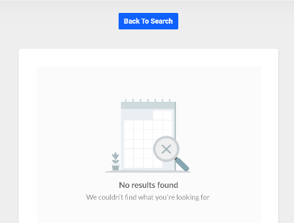 | Major | P1 | New
PHP_BK_03 | Give details of flights availiable for booking | Doesn’t Show any Flights | 1.Click on Flights 2.Select Orgin and Destination 3.Fill other required Fields 4.Click on Search |  | Major | P1 | New
PHP_BK_04 | Should allow to book Cab | Doesn't have any cabs | 1.Click on Transfer 2.Select Orgin and Destination 3.Fill other required Fields 4.Click on Search |  | Major | P1 | New
PHP_BK_05 | Should Show full image in offers | Doesn’t Show full image. Text Covers the Image | 1.Click on Offers 2.Select any offer 3.check on the image in offer |  | Enhancemet | P4 | New
PHP_BK_06 | Should be able to change language within any page | While changing language in other pages it redirects back to homepage | 1.click on any hotels in homepage 2.after opening page change to any other language |  | Major | P1 | New
PHP_BK_07 | Should be able to change currency within any page | While changing currency in other pages it redirects back to homepage | 1.click on any hotels in homepage 2.after opening page change to any other currency |  | Major | P1 | New
PHP_BK_08 | While clicking on company menu its should show company Details | Doesnt show Company details | 1.Open website 2.click on website |  | Major | P3 | New
PHP_BK_09 | Sould redict to Cancellation Policie page while clicking on Cancalation Policy tab | Doesnot redirect to Cancellation policy page | 1.Open website 2.click on Cancellation policy |  | Major | P2 | New
PHP_BK_10 | Verify we can add fund through Razorpay | cannot add fund with Razorpay | 1.Open PHP Travels website 2.Click on Account 3.Click on Customer Login 4.Enter Credentials 6.Click on Add fund 7.Select pay with Rayzorpay | 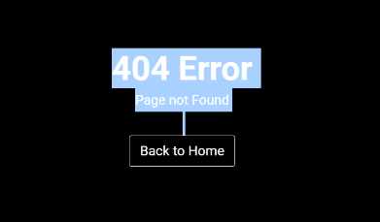 | Major | P1 | New
PHP_BK_11 | Verify we can add fund through Paypal | cannot add fund with Paypal | 1.Open PHP Travels website 2.Click on Account 3.Click on Customer Login 4.Enter Credentials 6.Click on Add fund 7.Select pay with Paypal |  | Major | P1 | New
PHP_BK_12 | Verify we can add fund through Paypal | cannot add fund with Bank Transfer | 1.Open PHP Travels website 2.Click on Account 3.Click on Customer Login 4.Enter Credentials 6.Click on Add fund 7.Select pay with Bank Transfer | 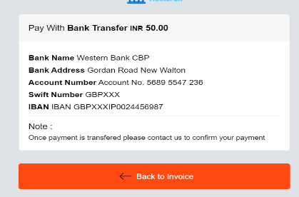 | Major | P1 | New
PHP_BK_13 | Photos of all hotels Should be availiable | no photoes in some of the hotels | 1.Open website 2.scrool down to hotel |  | Enhancemet | P2 | New

Defect Distribition
Defect Distribution Graph
 | Module Name | Defect Distribution
 | Home Page | 3
 | Signup Page | 5
 | Login Page | 1

